q5
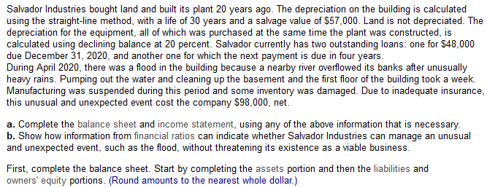
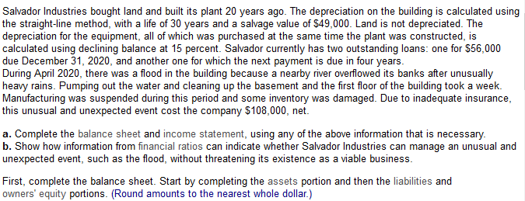

Assets |  |  |  |  |  |  |  |  | Revenues
Current assets |  |  |  |  |  |  |  |  | Gross income from sales |  | $8,650,000
Cash |  |  | $342,000 |  |  |  |  |  | Less |  | 7,475,000
Accounts receivable |  |  | 2,850,000 |  |  |  |  |  |  | Net revenue from sales | $1,175,000
Inventories |  |  | 2,010,000 |  |  |  |  |  | Expenses
Prepaid services |  |  | 168,000 |  |  |  |  |  | Depreciation |  | 74,000
 | Total Current Assets |  | $5,370,000 |  |  |  |  |  | Interest paid |  | 238,000
Long-term assets |  |  |  |  |  |  |  |  | Other expenses |  | 102,000
Building |  | $196,000 |  | N: | 30 |  | sv: | 49000 |  | Total expenses | 414,000
 | Less accumulated depreciation | $98,000 | $98,000 | current: | 20 |  |  |  | Income before taxes |  | $761,000
Equipment |  | 495,000 |  |  |  |  |  |  | Taxes at 35% |  | $266,350
 | Less accumulated depreciation | 475,814 | 19186 | d: | 0.15 |  |  |  | income pre extr |  | $494,650
Land |  |  | 545,000 |  |  |  |  |  | extr |  | 108000 | 0.35
 | Total Long-Term Assets |  | 662,186 |  |  |  |  |  | Net Income (loss) |  | $386,650
Total assets |  |  | $6,032,186

Part 3
 |  |  |  |  |  | current: | 5.36 | both are high
Liabilities and Owners' Equity |  |  |  |  |  | acid test: | 3.19
Current Liabilities |  |  |  |  |  | equity: | 0.58 | low, relies on debt
Accounts payable |  |  | $917,686 |  |  | roa: | 8.20 | low, takes much of pre tax income
Loan due Dec. 31, 2020 |  |  | 56000
Accrued taxes |  |  | 27,500
 | Total Current Liabilities |  | $1,001,186
Long-term Liabilities
Mortgage |  |  | 1,215,000
Long-term loan |  |  | 321,000
 | Total Long-Term Liabilities |  | 1,536,000
Total Liabilities |  |  | $2,537,186
Owners' Equity
Common shares |  |  | 1,960,000
Retained earnings |  |  | $1,535,000
Total Owners' Equity |  |  | 3,495,000
Total Liabilities and Owners' Equity |  |  | 6,032,186

